Sheet1 (3)
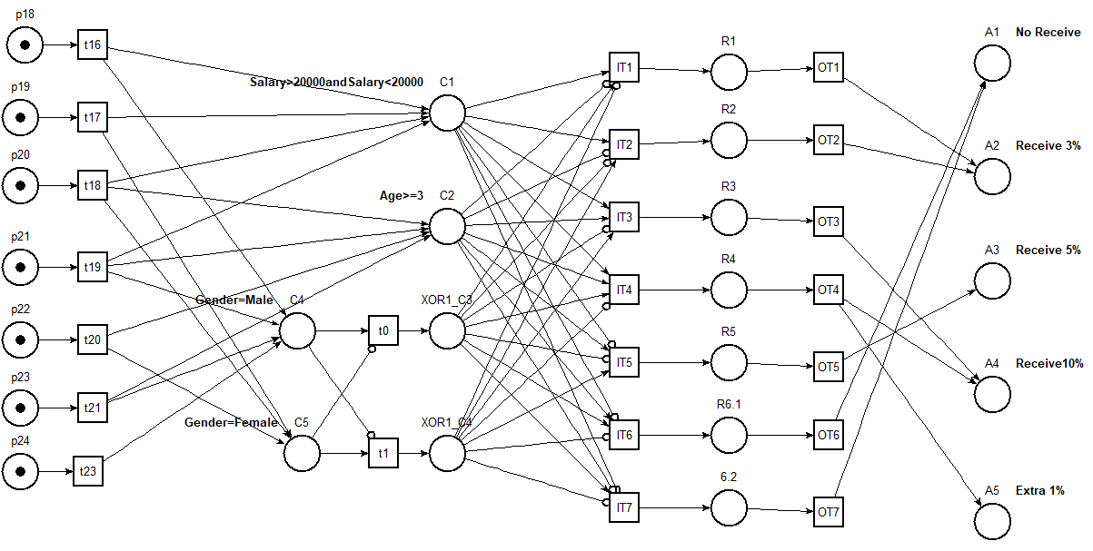
ID | Variable1/Description | Operator1 | Value1 | Logic Gate | Variable2/Description | Operator2 | Value2 | R1
C11 | Salary | > | X |  |  |  |  | T
C12 | Salary | >= | X |  |  |  |  | f
C13 | Salary | >= | X |  |  |  |  | f
A1 | No Receive
A2 | Receive 3%
A3 | Receive 5% |  |  |  |  |  |  | X
A4 | Receive10%
A5 | Extra 1%

